bug report 2
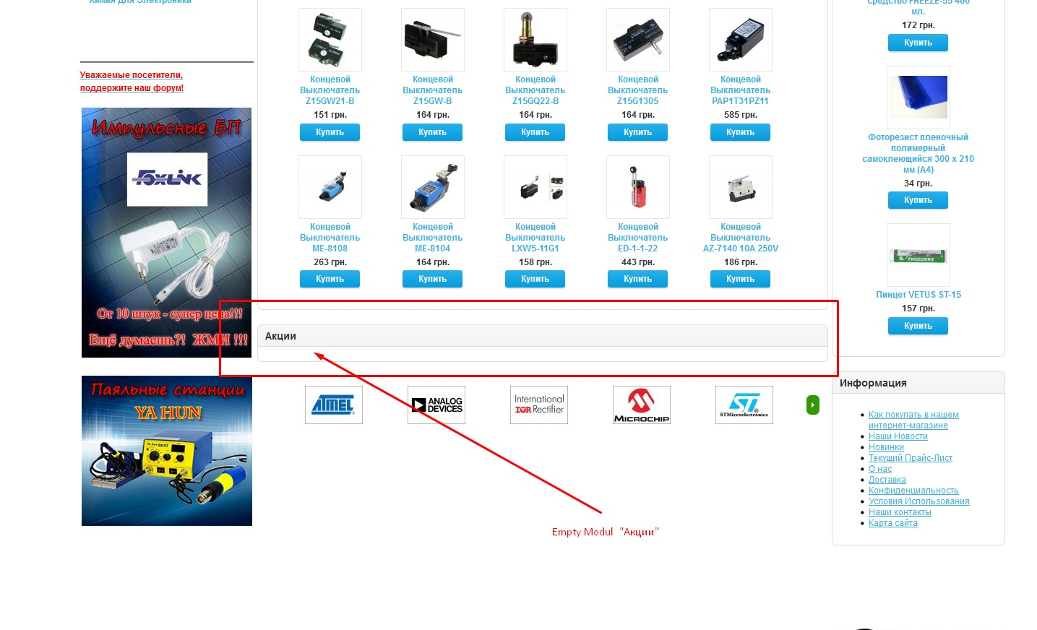
ID: BR - 002
Project: [Prochip]

Summary:
Empty Modul "Акции" should not displayed if there is no real stock in the store

STR:
1. Open the following address URL: http://prochip.com.ua/
2 Scroll down the page to the visible module "Акции"

AR:
Empty module "Акции" is displayed on the page right after main products list.

ER:
Module "Акции" should not be displaed if there is no real stock in the store currently.

Environment:
1. Windows 10 1803 (17134.706 bild)
2. FireFox Quantum Browser 66.0.3 (64-bit)

Type: bug
Severity: major
Priority: highest

Reporter: Oleg Dyakov
Assignee: Programmer - 3
Attachment:

bug report 3
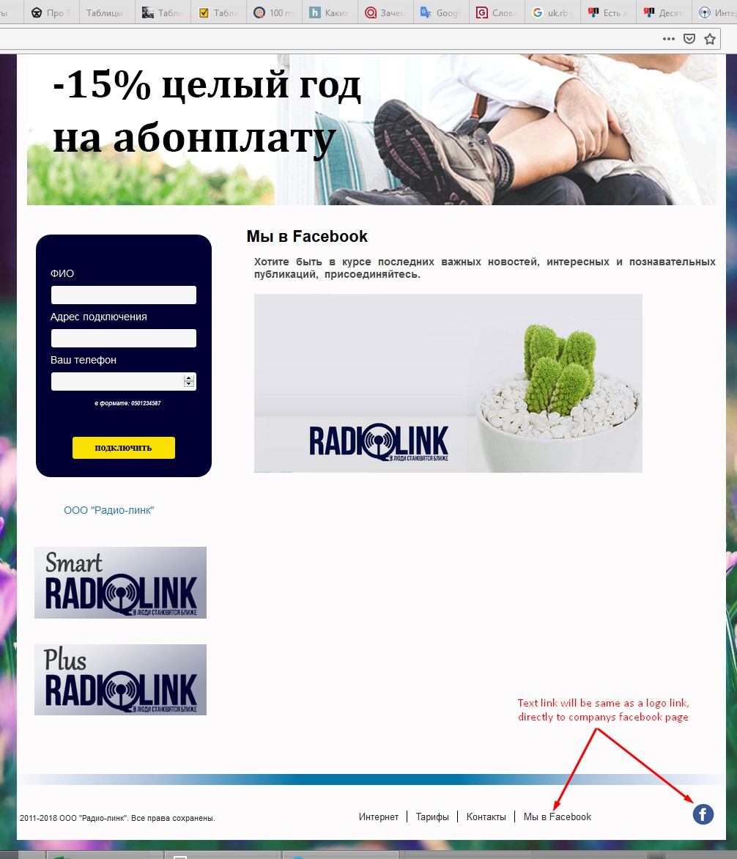
ID: BR - 003
Project: [Radiolink]

Summary:
Link "Мы в Facebook" at the homepage fotter opened inner sight page, but should be redirected to the companys page on Facebook

STR:
1. Open the following address URL: http://www.radiolink.com.ua/
2. Scroll down the page to the footer sight.
3. Click on the "Мы в Facebook" link in the footer of the sight

AR:
Page with some text and addition aimage-link is displayed on the sight

ER:
Should be redirected directly to the companys facebook page. Same as clicking to the facebook logo near the text link
( URL: https://www.facebook.com/radiolink.com.ua )

Environment:
1. Windows 10 1803 (17134.706 bild)
2. FireFox Quantum Browser 66.0.3 (64-bit)

Type: bug
Severity: minor
Priority: low

Reporter: Oleg Dyakov
Assignee: Programmer - 2
Attachment:

